Read Me
Summary: The data in this file are produced by the Division of Industry Productivity Studies (IPS) in the Office of Productivity and Technology at the Bureau of Labor Statistics. The file contains annual data on labor productivity and related measures for U.S. industries classified according to the North American Industry Classification System (NAICS).

Data Structure: The "Data" tab is in flat-file format; it includes a row for each unique data record. The data are described using four fields: Industry, Measure, Units, and Year.

How to Use the Pivot Chart:
The "Dashboard" tab produces a data table and line chart based on criteria selected in the four filters: Unit, Measure, Industry, and Year.
o Use the Unit filter to choose from a list of unit types.
o Use the Measure filter to choose from a list of productivity-related measures.
o Use the Industry filter to choose from a list of detailed industries.
o Use the Year timeline to choose data for specific years.

Select multiple items in a filter by holding down the 'ctrl' or 'shift' keyboard buttons while making selections.
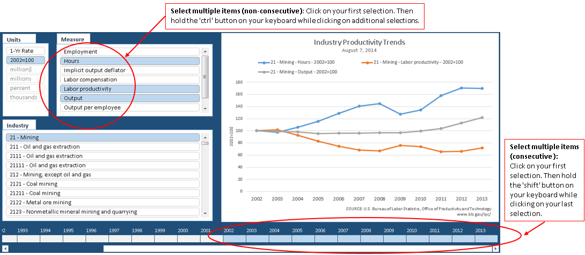

Industry and Measure Guide

Industry Code | Industry Title | Measure Title
6111 | Elementary and secondary schools | Labor Input - Public Schools
6111 | Elementary and secondary schools | Labor Input - Private Schools
6111 | Elementary and secondary schools | Labor Input - All Schools
6111 | Elementary and secondary schools | Output - Public Schools
6111 | Elementary and secondary schools | Output - Private Schools
6111 | Elementary and secondary schools | Output - All Schools
6111 | Elementary and secondary schools | Labor Compensation - Public Schools
6111 | Elementary and secondary schools | Labor Compensation - Private Schools
6111 | Elementary and secondary schools | Labor Compensation - All Schools
6111 | Elementary and secondary schools | Labor Productivity - Public Schools
6111 | Elementary and secondary schools | Labor Productivity - Private Schools
6111 | Elementary and secondary schools | Labor Productivity - All Schools
6111 | Elementary and secondary schools | Unit Labor Costs - Public Schools
6111 | Elementary and secondary schools | Unit Labor Costs - Private Schools
6111 | Elementary and secondary schools | Unit Labor Costs - All Schools

Dashboard
Industry
Units
Measure
Industry Productivity Trends February 23, 2018
 | 6111 - Elementary and secondary schools - Labor Productivity - Public Schools - 1992=100 | 6111 - Elementary and secondary schools - Labor Productivity - Private Schools - 1992=100 | 6111 - Elementary and secondary schools - Labor Productivity - All Schools - 1992=100
1992 | 100.000 | 100.000 | 100.000
1993 | 99.553 | 104.494 | 99.928
1994 | 98.981 | 103.021 | 99.290
1995 | 99.278 | 101.367 | 99.441
1996 | 99.279 | 97.764 | 99.167
1997 | 97.163 | 95.022 | 97.003
1998 | 95.281 | 92.872 | 95.100
1999 | 93.235 | 91.313 | 93.091
2000 | 92.857 | 92.291 | 92.817
2001 | 91.460 | 93.535 | 91.622
2002 | 92.045 | 90.894 | 91.959
2003 | 92.699 | 88.363 | 92.361
2004 | 92.020 | 86.291 | 91.570
2005 | 91.757 | 84.241 | 91.161
2006 | 91.845 | 81.136 | 90.982
2007 | 90.788 | 78.224 | 89.764
2008 | 90.144 | 77.127 | 89.081
2009 | 89.614 | 75.291 | 88.439
2010 | 92.792 | 75.327 | 91.346
2011 | 94.149 | 75.524 | 92.601
2012 | 93.933 | 77.442 | 92.573
2013 | 94.406 | 79.456 | 93.182
2014 | 93.925 | 83.121 | 93.056

 | 6111 | 6111 | 6111
 | Elementary and secondary schools | Elementary and secondary schools | Elementary and secondary schools
 | Labor Productivity - Public Schools | Labor Productivity - Private Schools | Labor Productivity - All Schools
 | 1992=100 | 1992=100 | 1992=100
1992 | 100.000 | 100.000 | 100.000
1993 | 99.553 | 104.494 | 99.928
1994 | 98.981 | 103.021 | 99.290
1995 | 99.278 | 101.367 | 99.441
1996 | 99.279 | 97.764 | 99.167
1997 | 97.163 | 95.022 | 97.003
1998 | 95.281 | 92.872 | 95.100
1999 | 93.235 | 91.313 | 93.091
2000 | 92.857 | 92.291 | 92.817
2001 | 91.460 | 93.535 | 91.622
2002 | 92.045 | 90.894 | 91.959
2003 | 92.699 | 88.363 | 92.361
2004 | 92.020 | 86.291 | 91.570
2005 | 91.757 | 84.241 | 91.161
2006 | 91.845 | 81.136 | 90.982
2007 | 90.788 | 78.224 | 89.764
2008 | 90.144 | 77.127 | 89.081
2009 | 89.614 | 75.291 | 88.439
2010 | 92.792 | 75.327 | 91.346
2011 | 94.149 | 75.524 | 92.601
2012 | 93.933 | 77.442 | 92.573
2013 | 94.406 | 79.456 | 93.182
2014 | 93.925 | 83.121 | 93.056

