Read Me
Summary: The data in this file are produced by the Division of Industry Productivity Studies (IPS) in the Office of Productivity and Technology at the Bureau of Labor Statistics. The file contains annual data on labor productivity and related measures for U.S. industries classified according to the North American Industry Classification System (NAICS).

Data Structure: The "Data" tab is in flat-file format; it includes a row for each unique data record. The data are described using four fields: Industry, Measure, Units, and Year.

How to Use the Pivot Chart:
The "Dashboard" tab produces a data table and line chart based on criteria selected in the four filters: Unit, Measure, Industry, and Year.
o Use the Unit filter to choose from a list of unit types.
o Use the Measure filter to choose from a list of productivity-related measures.
o Use the Industry filter to choose from a list of detailed industries.
o Use the Year timeline to choose data for specific years.

Select multiple items in a filter by holding down the 'ctrl' or 'shift' keyboard buttons while making selections.
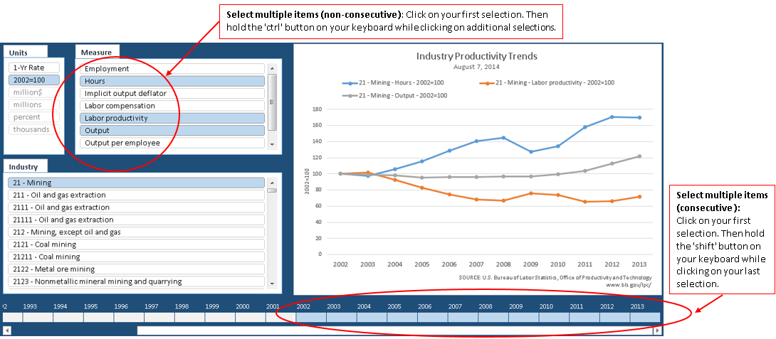

Industry and Measure Guide

Sector Code | Sector Title | Industry Code | Industry Title | Industry Digit | Measure Title
23 | Construction | 236115X | Single-family residential construction | 6-Digit | Employment
23 | Construction | 236115X | Single-family residential construction | 6-Digit | Implicit output deflator
23 | Construction | 236115X | Single-family residential construction | 6-Digit | Labor compensation
23 | Construction | 236115X | Single-family residential construction | 6-Digit | Labor productivity
23 | Construction | 236115X | Single-family residential construction | 6-Digit | Output
23 | Construction | 236115X | Single-family residential construction | 6-Digit | Output per employee
23 | Construction | 236115X | Single-family residential construction | 6-Digit | Value of production
23 | Construction | 236115X | Single-family residential construction | 6-Digit | Hours worked
23 | Construction | 236115X | Single-family residential construction | 6-Digit | Hourly compensation
23 | Construction | 236115X | Single-family residential construction | 6-Digit | Unit labor costs
23 | Construction | 236116X | Multiple-family residential construction | 6-Digit | Employment
23 | Construction | 236116X | Multiple-family residential construction | 6-Digit | Implicit output deflator
23 | Construction | 236116X | Multiple-family residential construction | 6-Digit | Labor compensation
23 | Construction | 236116X | Multiple-family residential construction | 6-Digit | Labor productivity
23 | Construction | 236116X | Multiple-family residential construction | 6-Digit | Output
23 | Construction | 236116X | Multiple-family residential construction | 6-Digit | Output per employee
23 | Construction | 236116X | Multiple-family residential construction | 6-Digit | Value of production
23 | Construction | 236116X | Multiple-family residential construction | 6-Digit | Hours worked
23 | Construction | 236116X | Multiple-family residential construction | 6-Digit | Hourly compensation
23 | Construction | 236116X | Multiple-family residential construction | 6-Digit | Unit labor costs
23 | Construction | 236210 | Industrial building construction | 6-Digit | Employment
23 | Construction | 236210 | Industrial building construction | 6-Digit | Implicit output deflator
23 | Construction | 236210 | Industrial building construction | 6-Digit | Labor compensation
23 | Construction | 236210 | Industrial building construction | 6-Digit | Labor productivity
23 | Construction | 236210 | Industrial building construction | 6-Digit | Output
23 | Construction | 236210 | Industrial building construction | 6-Digit | Output per employee
23 | Construction | 236210 | Industrial building construction | 6-Digit | Value of production
23 | Construction | 236210 | Industrial building construction | 6-Digit | Hours worked
23 | Construction | 236210 | Industrial building construction | 6-Digit | Hourly compensation
23 | Construction | 236210 | Industrial building construction | 6-Digit | Unit labor costs
23 | Construction | 237310 | Highway, street, and bridge construction | 6-Digit | Employment
23 | Construction | 237310 | Highway, street, and bridge construction | 6-Digit | Implicit output deflator
23 | Construction | 237310 | Highway, street, and bridge construction | 6-Digit | Labor compensation
23 | Construction | 237310 | Highway, street, and bridge construction | 6-Digit | Labor productivity
23 | Construction | 237310 | Highway, street, and bridge construction | 6-Digit | Output
23 | Construction | 237310 | Highway, street, and bridge construction | 6-Digit | Output per employee
23 | Construction | 237310 | Highway, street, and bridge construction | 6-Digit | Value of production
23 | Construction | 237310 | Highway, street, and bridge construction | 6-Digit | Hours worked
23 | Construction | 237310 | Highway, street, and bridge construction | 6-Digit | Hourly compensation
23 | Construction | 237310 | Highway, street, and bridge construction | 6-Digit | Unit labor costs

Dashboard
Industry
Units
Measure
Industry Productivity Trends September 21, 2021
 | 236115X - Single-family residential construction - Labor productivity - 2007=100 | 236115X - Single-family residential construction - Output - 2007=100 | 236115X - Single-family residential construction - Hours worked - 2007=100
2007 | 100.000 | 100.000 | 100.000
2008 | 81.513 | 66.013 | 80.985
2009 | 66.567 | 42.634 | 64.046
2010 | 80.413 | 45.123 | 56.114
2011 | 82.775 | 43.294 | 52.303
2012 | 99.157 | 50.630 | 51.060
2013 | 106.739 | 58.888 | 55.170
2014 | 99.663 | 60.737 | 60.943
2015 | 102.389 | 65.307 | 63.783
2016 | 99.115 | 66.557 | 67.152
2017 | 97.547 | 68.985 | 70.719
2018 | 92.929 | 70.831 | 76.220
2019 | 85.594 | 66.487 | 77.677
2020 | 95.577 | 70.860 | 74.140

 | 236115X | 236115X | 236115X
 | Single-family residential construction | Single-family residential construction | Single-family residential construction
 | Labor productivity | Output | Hours worked
 | 2007=100 | 2007=100 | 2007=100
2007 | 100.000 | 100.000 | 100.000
2008 | 81.513 | 66.013 | 80.985
2009 | 66.567 | 42.634 | 64.046
2010 | 80.413 | 45.123 | 56.114
2011 | 82.775 | 43.294 | 52.303
2012 | 99.157 | 50.630 | 51.060
2013 | 106.739 | 58.888 | 55.170
2014 | 99.663 | 60.737 | 60.943
2015 | 102.389 | 65.307 | 63.783
2016 | 99.115 | 66.557 | 67.152
2017 | 97.547 | 68.985 | 70.719
2018 | 92.929 | 70.831 | 76.220
2019 | 85.594 | 66.487 | 77.677
2020 | 95.577 | 70.860 | 74.140

